Overview
The Global Peace Index (GPI) is the world’s leading measure of national peacefulness. Now in its tenth year, it ranks 163 nations according to their ‘absence of violence’.
The GPI is developed by IEP under the guidance of an international panel of independent experts with data collated and calculated by the Economist Intelligence Unit (EIU).
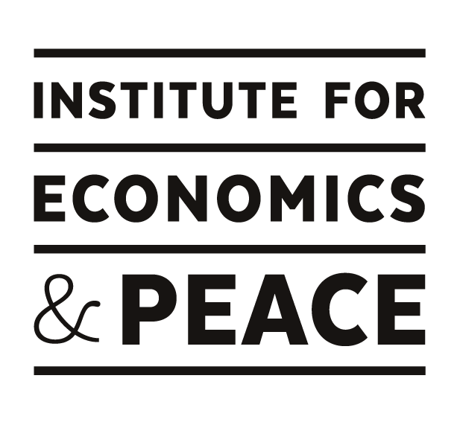

The content of this spreadsheet is the copyright of The Institute for Economics and Peace Limited (IEP). IEP grants each recipient authorised by IEP a licence to use this data only for its own internal non-commercial purposes. The licence includes no right to sub-licence and the data may not be distributed in excel format to any person without IEP’s consent.

